Versace collection offer list
brand | photo | description | art code | S | M | L | XL | XXL | XXXL | 30 | 32 | 34 | 36 | 38 | 40 | 30R | 32R | 34R | 36R | 38R | q.ty | wholesale price | tot wholesale price | retail price | tot value retail
Versace Collection | 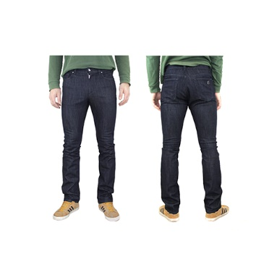 | MAN TROUSERS - BLUE | V600367SVT01915V8004 |  |  |  |  |  |  | 60 | 149 | 156 | 189 | 25 |  | 24 | 88 | 104 | 133 |  | 928 | € 120.00 | € 111,360.00 | € 324.00 | € 300,672.00
Versace Collection | 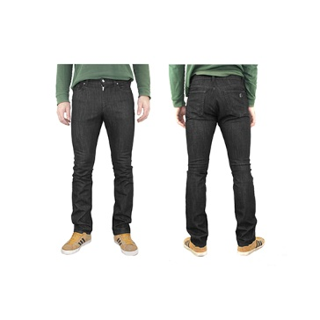 | MAN TROUSERS - BLACK | V600367SVT01915V8008 |  |  |  |  |  |  | 52 | 60 | 54 | 92 | 6 |  |  | 64 | 100 | 132 | 7 | 567 | € 120.00 | € 68,040.00 | € 324.00 | € 183,708.00
brand | photo | description | art code | XS | S | M | L | XL |  |  |  |  |  |  |  |  |  |  |  |  | q.ty | wholesale price | tot wholesale price | retail price | tot value retail
Versace Collection | 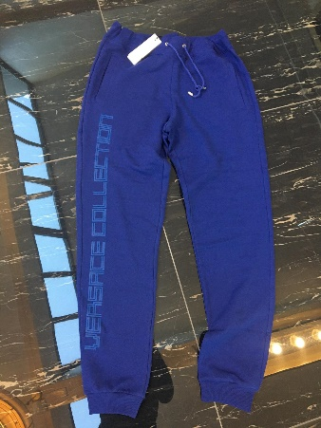 | MAN SPORTSWEAR - TROUSERS - BLUE+PRINT | V800879SVJ00358V7023 | 6 | 12 | 5 | 16 | 2 |  |  |  |  |  |  |  |  |  |  |  |  | 41 | € 110.00 | € 4,510.00 | € 297.00 | € 12,177.00
brand | photo | description | art code | 30 | 32 | 34 | 36 | 36R | 38 | 38R | 32R |  |  |  |  |  |  |  |  |  | q.ty | wholesale price | tot wholesale price | retail price | tot value retail
Versace Collection | 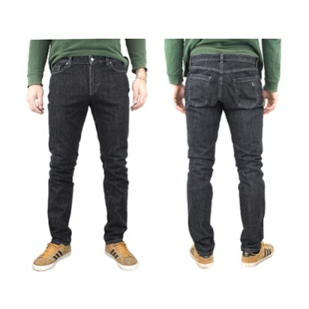 | MAN DENIM/JEANS - MEDIUM GREY | V600378SVT01915V8003 | 23 | 44 | 60 | 118 | 35 | 38 | 2 |  |  |  |  |  |  |  |  |  |  | 320 | € 120.00 | € 38,400.00 | € 324.00 | € 103,680.00
Versace Collection | 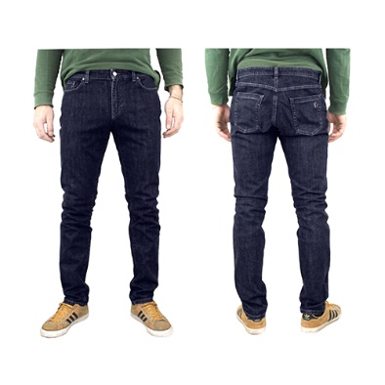 | MAN DENIM/JEANS - BLUE | V600378SVT01915V8004 | 103 | 293 | 260 | 326 | 205 | 12 | 15 |  |  |  |  |  |  |  |  |  |  | 1214 | € 120.00 | € 145,680.00 | € 324.00 | € 393,336.00
Versace Collection | 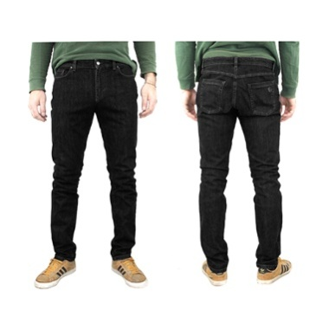 | MAN DENIM/JEANS - BLACK | V600378SVT01915V8008 | 49 | 111 | 107 | 214 | 40 | 35 |  |  |  |  |  |  |  |  |  |  |  | 556 | € 120.00 | € 66,720.00 | € 324.00 | € 180,144.00
 |  |  |  |  |  |  |  |  |  |  |  |  |  |  |  |  |  |  |  |  | 3626 |  | € 434,710.00 |  | € 1,173,717.00

